Lengkap
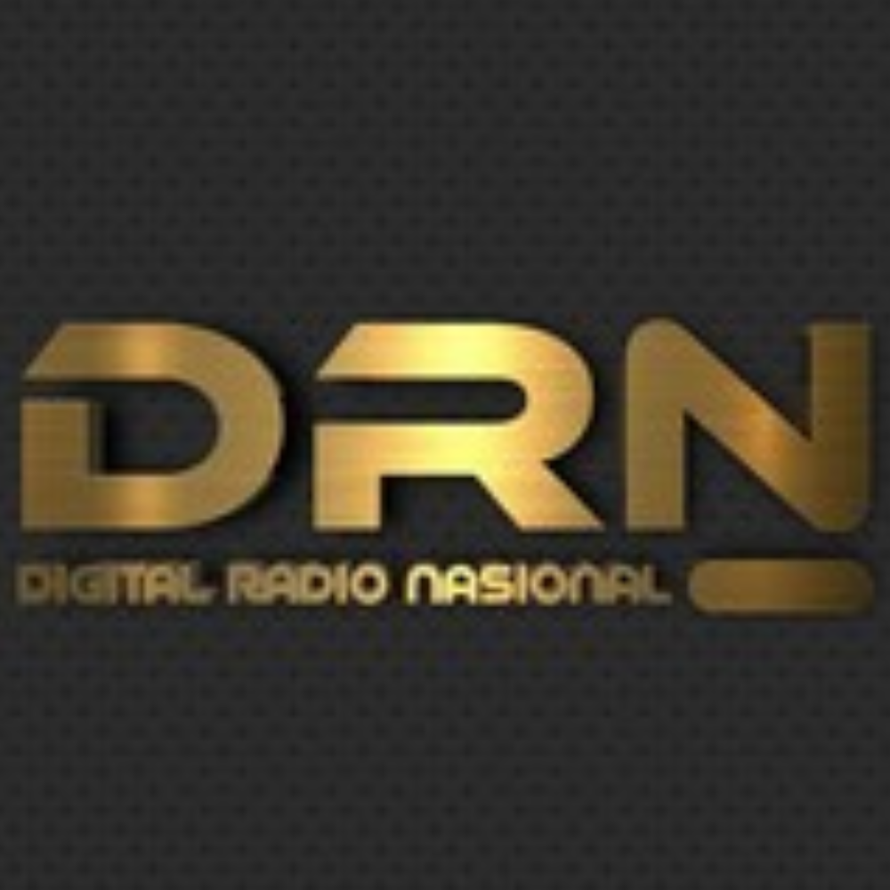 |  | PERCOBAAN
 |  | Freq / Server: PERCOBAAN
 |  | Tanggal: 22-06-26
 |  | Logsheeter: ADMIN
 |  | NCS: YB8BV
 |  | KEAR: -
NOMOR | CALLSIGN | NAMA | KECAMATAN | PROVINSI | WAKTU-UTC | KET
1 | YB8BV | ANSAR |  | SULAWESI SELATAN
2 | YD8GZA | HARIANTO |  | SULAWESI SELATAN
3 | YD8FAC | RAMLAN |  | SULAWESI SELATAN
4 | YC8DEI | DEDDY PAREANTO |  | SULAWESI SELATAN | 13:07 UTC
5 | YF8RRV | SUCIPTO ABDULLAH |  | GORONTALO | 15:32 UTC
6 | YC8BGQ | MURSALIM |  | SULAWESI SELATAN | 08:18 UTC
7 | YC8BGQ | MURSALIM |  | SULAWESI SELATAN | 00:09 UTC
8 | YD8BGT | HAMZAH B |  | SULAWESI SELATAN | 00:14 UTC
9 | YD8BHI | ABD. RAHMAN |  | SULAWESI SELATAN | 02:35 UTC

