Lengkap
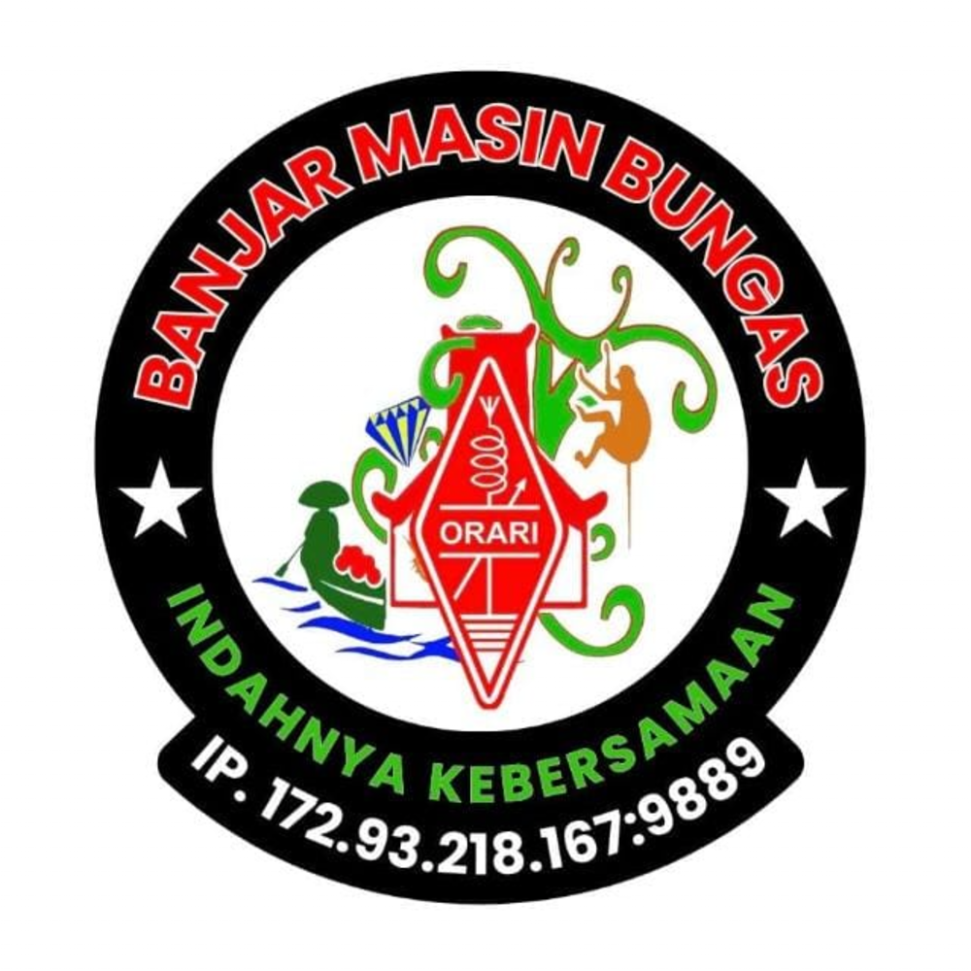 |  | BANJARMASIN BUNGAS NET
 |  | Freq / Server: BANJARMASIN SERVER
 |  | Tanggal: 10-07-26
 |  | Logsheeter: YC8BCQ
 |  | NCS: YC8BCQ
 |  | KEAR: -
NOMOR | CALLSIGN | NAMA | KECAMATAN | PROVINSI | WAKTU-UTC | KET
1 | YD8FAC | RAMLAN |  | SULAWESI SELATAN | 12:03 UTC
2 | YD8MTU | ANDI SULUNGKAU |  | SULAWESI TENGAH | 12:05 UTC
3 | YC7EWE | NURSANTI |  | KALIMANTAN BARAT | 12:08 UTC
4 | YC7HHM | ERHAMSYAH |  | KALIMANTAN SELATAN | 12:13 UTC
5 | YD8AVY | SYARIFUDDIN |  | SULAWESI SELATAN | 12:14 UTC
6 | YD2SAR | SARTONO |  | JAWA TENGAH | 12:15 UTC
7 | YC8CPL | YUSRAID D LATANRO |  | SULAWESI SELATAN | 12:17 UTC
8 | YF8VHT | AINUN YASIN |  | MALUKU UTARA | 12:20 UTC
9 | YC5OE | ERMAN |  | RIAU | 12:21 UTC
10 | YB4CHE | M. SOLEH SYAH |  | JAMBI | 12:22 UTC
11 | YF5NCU | M JEMI |  | KEPULAUAN RIAU | 12:23 UTC
12 | YC2BDR | BAMBANG AGUS SETIAWAN |  | JAWA TENGAH | 12:24 UTC
13 | YC8HNM | NASRUM A. MAKKASAU |  | SULAWESI SELATAN | 12:25 UTC
14 | YD8AXI | FATMAWATY MILE |  | SULAWESI SELATAN | 12:26 UTC
15 | YD7KFH | PAJRIANOR |  | KALIMANTAN SELATAN | 12:29 UTC
16 | YD8EHS | MUHAMMAD IKBAL |  | SULAWESI SELATAN | 12:30 UTC
17 | YF7HZ | H. ZAINAL ARIFIN |  | KALIMANTAN SELATAN | 12:32 UTC
18 | YD9GYX | HIMAYATI ASRI |  | NUSA TENGGARA BARAT | 12:33 UTC
19 | YD6HBM | GINDA ZEIN HARAHAP |  | SUMATERA UTARA | 12:33 UTC
20 | YB3GET | HENRY TANIDI |  | JAWA TIMUR | 12:34 UTC
21 | YC7NGD | NGADI |  | KALIMANTAN SELATAN | 12:35 UTC
22 | YC4FQC | NORMAN JAYA |  | SUMATERA SELATAN | 12:37 UTC
23 | YC6IEB | ZUL AMRI |  | SUMATERA UTARA | 12:39 UTC
24 | YF8WEK | ZAINAL ABIDIN ISKANDAR ALAM |  | MALUKU UTARA | 12:40 UTC
25 | YC8HBQ | ABDULLAH |  | SULAWESI SELATAN | 12:41 UTC
26 | YC6IES | I HOK |  | SUMATERA UTARA | 12:42 UTC
27 | YC8EPE | KANDACONG |  | SULAWESI SELATAN | 12:44 UTC
28 | YF5STS | BUDI SANTOSO |  | KEPULAUAN RIAU | 12:47 UTC
29 | YG4SAL | MARGONO |  | LAMPUNG | 12:50 UTC
30 | YC6AAA | MUZAKIR, S.PD.SD |  | ACEH | 12:50 UTC
31 | YC9COO | I GEDE DERKA |  | BALI | 12:52 UTC
32 | YC8DS | ANDI IDHAN SIRI |  | SULAWESI SELATAN | 12:52 UTC
33 | YE5SPB | DR. ASMOJI SP.B |  | KEPULAUAN RIAU | 12:53 UTC
34 | YD4FUY | SUTIKNO |  | SUMATERA SELATAN | 12:54 UTC
35 | YD9HOU | ROHIYAH |  | NUSA TENGGARA BARAT | 12:56 UTC
36 | YF5NZL | NUZUL QURAINI |  | KEPULAUAN RIAU | 13:07 UTC
37 | YF8RVC | VERA ALUY |  | GORONTALO | 13:07 UTC
38 | YD1RJT | EMMA WIJAYANTI |  | BANTEN | 13:09 UTC
39 | YB7DCJ | EDDY IMRAN |  | KALIMANTAN BARAT | 13:10 UTC
40 | YC0UL | SYDNEY ADHIWIRIA |  | DKI JAKARTA | 13:11 UTC
41 | YG8YPZ | SOFYAN AHMAD |  | MALUKU UTARA | 13:11 UTC
42 | YE5RB | IR. ABDUL RACHMAN BAKY |  | KEPULAUAN RIAU | 13:13 UTC
43 | YB8SDV | ROY STEPANUS KALENGKONGAN |  | SULAWESI UTARA | 13:15 UTC
44 | HS9FMO |  |  |  | 13:17 UTC | TIDAK TERDAFTAR
45 | E25STI |  |  |  | 13:18 UTC | TIDAK TERDAFTAR
46 | YD2DVD | KRISNO |  | JAWA TENGAH | 13:19 UTC
47 | YB8PBS | PURWOKO BUDILAKSONO |  | SULAWESI TENGAH | 13:19 UTC
48 | YB4MBB | SUDIRMANSYAH |  | BENGKULU | 13:20 UTC
49 | YC2MSY | MISIYAMI |  | JAWA TENGAH | 13:21 UTC
50 | YG5NHX | SUYANTO |  | KEPULAUAN RIAU | 13:25 UTC
51 | YD4JMC | JAMALUDDIN |  | SUMATERA SELATAN | 13:26 UTC
52 | YC8ECP | MARYAM PENINA |  | SULAWESI SELATAN | 13:28 UTC
53 | YF4FHW | ABU HANIFAH |  | KEPULAUAN BANGKA BELITUNG | 13:29 UTC
54 | YD9IHC | ARIF RAHMAN |  | NUSA TENGGARA BARAT | 13:31 UTC
55 | YC6SJB | SUTRISNO |  | SUMATERA UTARA | 13:34 UTC
56 | YC8NFD | KARMILA M. HASAN JUSUF |  | SULAWESI TENGAH | 13:36 UTC
57 | YF8VHC | IDRIS A. RAHMAN |  | MALUKU UTARA | 13:42 UTC
58 | YC3OQU | PRIHATIN DWI UTAMI |  | JAWA TIMUR | 13:44 UTC
59 | YD6HVY | EKO WAHYU NUGROHO, ST |  | SUMATERA UTARA | 14:02 UTC
60 | 9W2LIM |  |  |  | 14:07 UTC | TIDAK TERDAFTAR

