Lengkap
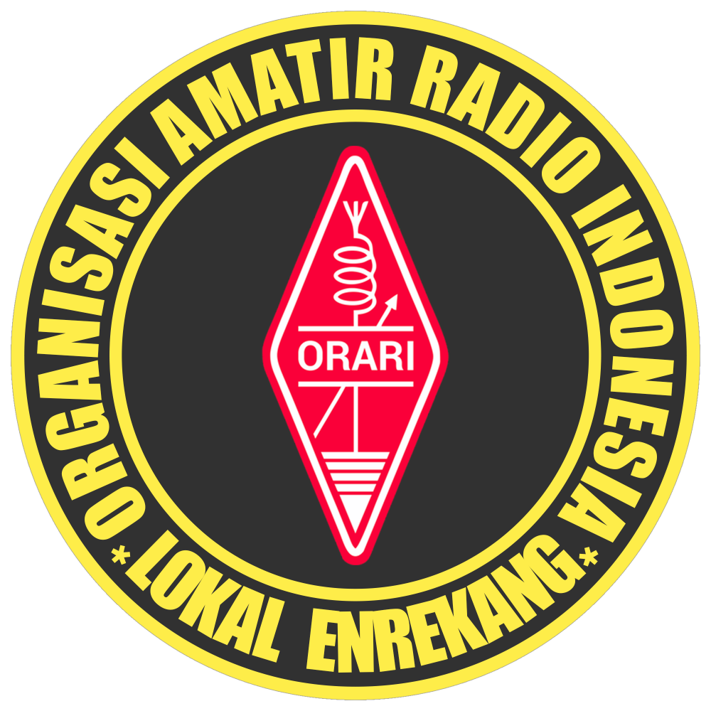 |  | NET ORARI LOKAL ENREKANG
 |  | Freq / Server: 2M Band / Latimojong1 148.129.218.218
 |  | Tanggal: 20-07-26
 |  | Logsheeter: YC8BCQ
 |  | NCS: YC8HBQ
 |  | KEAR: YC8BGQ
NOMOR | CALLSIGN | NAMA | KECAMATAN | PROVINSI | WAKTU-UTC | KET
1 | YC8BGQ | MURSALIM |  | SULAWESI SELATAN | 14:24 UTC
2 | YC8BCQ | HUSAIN |  | SULAWESI SELATAN | 14:24 UTC
3 | YB8BV | ANSAR |  | SULAWESI SELATAN | 14:24 UTC
4 | YD8AVY | SYARIFUDDIN |  | SULAWESI SELATAN | 14:25 UTC
5 | YD8MAO |  |  |  | 14:25 UTC | TIDAK TERDAFTAR
6 | YD8EVS | NASRUDDIN |  | SULAWESI SELATAN | 14:25 UTC
7 | YD8BPM | RIKO MELLE HEMME |  | SULAWESI SELATAN | 14:25 UTC
8 | YC8GBD | BURHANUDDIN M. |  | SULAWESI SELATAN | 14:26 UTC
9 | YC8ATI | ANDI NUR ALAM SESSU |  | SULAWESI SELATAN | 14:26 UTC
10 | YD8ERD | AMIRUDDIN |  | SULAWESI SELATAN | 14:26 UTC
11 | YC8CPL | YUSRAID D LATANRO |  | SULAWESI SELATAN | 14:26 UTC
12 | YD8EHG | INA MADING |  | SULAWESI SELATAN | 14:26 UTC
13 | YD8EVX | KIMIN |  | SULAWESI SELATAN | 14:27 UTC
14 | YC2YDO | ANDRI BENY PURWANTO |  | DAERAH ISTIMEWA YOGYAKARTA | 14:28 UTC
15 | YC8CDY | CHRISTINE DATU YAMIN |  | SULAWESI SELATAN | 14:28 UTC
16 | YC8DEI | DEDDY PAREANTO |  | SULAWESI SELATAN | 14:29 UTC
17 | YC9VCD | H. DUPPA |  | PAPUA | 14:29 UTC
18 | YC9WWV | JUMAIN |  | PAPUA | 14:29 UTC
19 | YC4EAF | ZAKARIA, S.AP |  | JAMBI | 14:30 UTC
20 | YD8ETF | LUKMAN |  | SULAWESI SELATAN | 14:30 UTC
21 | YD8BXX | A.FARIDA |  | SULAWESI SELATAN | 14:30 UTC
22 | YD8MXX | IQBAL TRI HARIYANTO |  | SULAWESI TENGAH | 14:30 UTC
23 | YC8CCG | ABD. MALIK MT.NUR |  | SULAWESI SELATAN | 14:30 UTC
24 | YD8DGL | HAERUDDIN |  | SULAWESI SELATAN | 14:31 UTC
25 | YD8FHC | ARSYAD |  | SULAWESI SELATAN | 14:31 UTC
26 | YB8SEG | ATI GINOGA |  | SULAWESI UTARA | 14:31 UTC
27 | YC6AAA | MUZAKIR, S.PD.SD |  | ACEH | 14:32 UTC
28 | YC2DIS | SURONO |  | JAWA TENGAH | 14:32 UTC
29 | YD8AWX | A. MULIATI |  | SULAWESI SELATAN | 14:32 UTC
30 | YC8AKJ | ABD KADIR |  | SULAWESI SELATAN | 14:32 UTC
31 | YC7HHM | ERHAMSYAH |  | KALIMANTAN SELATAN | 14:32 UTC
32 | YD8AZQ | BAKRI HIDE |  | SULAWESI SELATAN | 14:32 UTC
33 | YD8BBF | ISMAIL DOLOHU |  | SULAWESI SELATAN | 14:33 UTC
34 | YD8NAJ | SUGIANTO |  | SULAWESI TENGAH | 14:33 UTC
35 | YB9XCM | H.MUH YUNUS |  | PAPUA TENGAH | 14:33 UTC
36 | YC8LZL | ILHAM HUSAIN |  | SULAWESI TENGGARA | 14:35 UTC
37 | YD8IXK | LA ODE MUHAMMAD FITRAH HUSAMUDDIN |  | SULAWESI TENGGARA | 14:35 UTC
38 | YC7HHW | HASBI HARIYANTO |  | KALIMANTAN SELATAN | 14:35 UTC
39 | CA177 | M. AMIRUDDIN | ALLA | SULAWESI SELATAN | 14:35 UTC
40 | YD8EXX | CANCANG |  | SULAWESI SELATAN | 14:36 UTC
41 | YC8DDL | GUSMAN G |  | SULAWESI SELATAN | 14:37 UTC
42 | YD8EHS | MUHAMMAD IKBAL |  | SULAWESI SELATAN | 14:37 UTC
43 | CA113 | HANIA | MALUA | SULAWESI SELATAN | 14:37 UTC
44 | YD8MTU | ANDI SULUNGKAU |  | SULAWESI TENGAH | 14:38 UTC
45 | YD8EQD | RASMAN |  | SULAWESI SELATAN | 14:38 UTC
46 | YC8DSM | MASHURI |  | SULAWESI SELATAN | 14:38 UTC
47 | YC8BPQ | ANZARI S.PD. MM |  | SULAWESI SELATAN | 14:39 UTC
48 | YC8ETQ | MUH.RASYIDIN AMIR |  | SULAWESI SELATAN | 14:39 UTC
49 | YG8PGQ |  |  |  | 14:39 UTC | TIDAK TERDAFTAR
50 | YC8AKJ | ABD KADIR |  | SULAWESI SELATAN | 14:40 UTC
51 | YD8GTP | SUHARTONO LAHI |  | SULAWESI SELATAN | 14:41 UTC
52 | YF7UEX | DJAKARIANSYAH |  | KALIMANTAN UTARA | 14:41 UTC
53 | YG5NEK | EKA |  | KEPULAUAN RIAU | 14:41 UTC
54 | YC8IRZ | MAULANA BASTIAN |  | SULAWESI TENGGARA | 14:42 UTC
55 | YC8HNM | NASRUM A. MAKKASAU |  | SULAWESI SELATAN | 14:42 UTC
56 | YC8EPE | KANDACONG |  | SULAWESI SELATAN | 14:42 UTC
57 | YC8AUE | DRS. RUSLI |  | SULAWESI SELATAN | 14:42 UTC
58 | YD8GLP | DARWIS |  | SULAWESI SELATAN | 14:43 UTC
59 | YD8FAE | UMAR |  | SULAWESI SELATAN | 14:43 UTC
60 | YD8IYM | ASHAL DM |  | SULAWESI TENGGARA | 14:43 UTC
61 | YD8COW | AHMAD |  | SULAWESI SELATAN | 14:44 UTC
62 | YC8APN | SYAMSUDDIN PATHAN |  | SULAWESI SELATAN | 14:44 UTC
63 | YC8RDW |  |  |  | 14:44 UTC | TIDAK TERDAFTAR
64 | YC8AUL | H.ABDULLAH AHMAD |  | SULAWESI SELATAN | 14:44 UTC
65 | YC8FXS | LA CONDING |  | SULAWESI SELATAN | 14:44 UTC
66 | YC9CXS |  |  |  | 14:44 UTC | TIDAK TERDAFTAR
67 | YC8FAB |  |  |  | 14:45 UTC | TIDAK TERDAFTAR
68 | YC8CMO | SABARUDDIN TODI |  | SULAWESI SELATAN | 14:45 UTC
69 | YD8AWZ | ANWAR DERI, SH |  | SULAWESI SELATAN | 14:45 UTC
70 | CA011 | ARNAS ASMARA | BARAKA | SULAWESI SELATAN | 14:45 UTC
71 | YC8HYP | MUHAMMAD YUNUS |  | SULAWESI SELATAN | 14:45 UTC
72 | YD8HFN | SAIDIN JOHARI |  | SULAWESI SELATAN | 14:46 UTC
73 | YB8FPI | SAHARUDDIN SE |  | SULAWESI SELATAN | 14:46 UTC
74 | YC8DQO | AMRAN OPPENG S.IP |  | SULAWESI SELATAN | 14:46 UTC
75 | YD8NAJ | SUGIANTO |  | SULAWESI TENGAH | 14:46 UTC
76 | YD8FAC | RAMLAN |  | SULAWESI SELATAN | 14:46 UTC
77 | YD8ECK |  |  |  | 14:46 UTC | TIDAK TERDAFTAR
78 | CA070 | SUDARSONO | BUNTU BATU | SULAWESI SELATAN | 14:46 UTC | TIDAK AKTIF
79 | YD8EPB | MARSAN |  | SULAWESI SELATAN | 14:47 UTC
80 | YC8BWF | BADAWI D |  | SULAWESI SELATAN | 14:47 UTC
81 | YC9UPI | ABDUL RAHMAN |  | PAPUA | 14:48 UTC
82 | YC8APX | SUMARDI GANI |  | SULAWESI SELATAN | 14:48 UTC
83 | CA031 | SAPRI | BARAKA | SULAWESI SELATAN | 14:48 UTC
84 | YC8FJV |  |  |  | 14:49 UTC | TIDAK TERDAFTAR
85 | YD8EVB | KAHARUDDIN |  | SULAWESI SELATAN | 14:49 UTC
86 | YD8EPK | MUH KAMAL |  | SULAWESI SELATAN | 14:52 UTC
87 | YD8EQD | RASMAN |  | SULAWESI SELATAN | 14:53 UTC
88 | YD8EOU | RUSTAN |  | SULAWESI SELATAN | 14:55 UTC
89 | YD8ADK |  |  |  | 14:55 UTC | TIDAK TERDAFTAR
90 | YC8CAQ | BAHARUDDIN S |  | SULAWESI SELATAN | 14:56 UTC
91 | YD8CKM | FATAHUDDIN |  | SULAWESI SELATAN | 14:56 UTC
92 | YD8EPD | AMINUDDIN |  | SULAWESI SELATAN | 14:56 UTC
93 | YC8EQ |  |  |  | 14:56 UTC | TIDAK TERDAFTAR
94 | YD8FJV | SUKARNO WIRA PUTRA |  | SULAWESI SELATAN | 14:57 UTC
95 | YD8FUT | SITTI NURSYAMSI |  | SULAWESI SELATAN | 14:57 UTC
96 | CA123 | NASIR | BUNTU BATU | SULAWESI SELATAN | 14:57 UTC
97 | YD8DCW | HJ. HADARIA |  | SULAWESI SELATAN | 14:57 UTC
98 | YD8BBO | SUDIRMAN |  | SULAWESI SELATAN | 14:57 UTC
99 | YC8HBQ | ABDULLAH |  | SULAWESI SELATAN | 14:58 UTC

